CALCULATION
DEDICATED OUTDOOR AIR SYSTEM (DOAS)
 |  |  | Formula | Dimensional Analysis | Shafts for the all-air system are larger than shafts for the dedicated outdoor air system
OCCUPANCY
Program Area (m2) | 5000
Program | Commercial - Office Buliding - Office Space
Occupant Density Method | ASHRAE 62.1-2022 Occupant Density
Occupant Density (person/m2) | 0.05 | -
$$Total Occupants=Occupant Density ∗ Area$$
$$total people=\frac{person}{m^{2}} ∗ m^{2}$$
Total People Count | 250

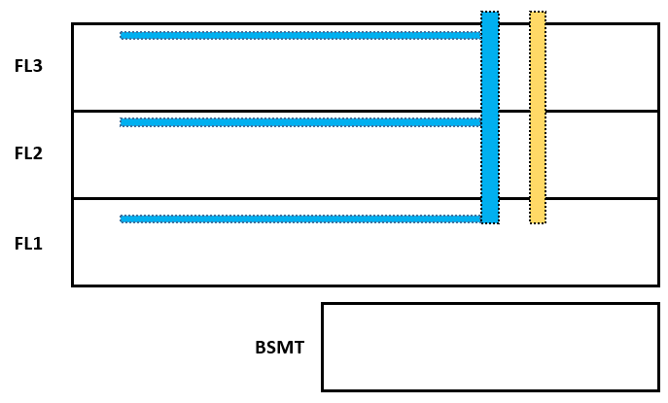
FLOW RATE CALCULATION |  |  |  |  |  | Shaft Cross Section Area (m2)
Flow Rate Method | ASHRAE 62.1-2022 Flow Rates |  |  |  |  | Fresh Air | 0.31 | 0.31 | Exhaust Air
Flow Rate per Area (l/s/m2) | 0.3 | -
Flow Rate per Person (l/s/person) | 2.5 | -

$Q_{total}= {(Q}_{area }∗ Area)+ {(Q}_{people }∗ People$)
$\frac{l}{s}=\left(\frac{l}{s ∙m^{2}} ∗ m^{2}\right)$+ $\left(\frac{l}{s ∙person} ∗ people\right)= \frac{l}{s ∙1000}= \frac{m^{3}}{s}$
Total Flow Rate (l/s) | 2125
Total Flow Rate (m3/s) | 2.125

$$Q_{total}=v ∗ A ∗\left(1+SF\right)$$
$\frac{m^{3}}{s}= \frac{m}{s}∗$ $m^{2} ∗(1+SF)$
Air Velocity (m/s) | 8
Safety Factor (%) | 15%
Supply Air Shaft Cross Sectional Area Required (m2) | 0.31
Exhaust Air Shaft Cross Sectional Area Required (m2) | 0.31
Total Air Shaft Cross Sectional Area Required (m2) | 0.61

$$h_{s} (Heating Load)$$
ALL-AIR SYSTEM (VARIABLE AIR VOLUME OR SIMILAR)
 |  |  | Formula | Dimensional Analysis | Shafts for the all-air system are larger than shafts for the dedicated outdoor air system
Peak Heating Load (kW) | 170
$$h_{s} (Cooling Load)$$
Peak Cooling Load (kW) | 240
Thermostat Cooling Setpoint (°C) | 24
Thermostat Heating Setpoint (°C) | 18

$$ρ$$
$$∆T=Setpoint −Supply Air Temperature$$
$$c_{p}$$
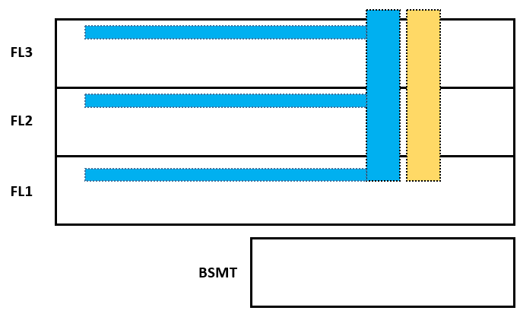
Supply Air Temperature (°C) | 12.8 |  |  |  |  | Shaft Cross Section Area (m2)
Specific Heat Capacity of Air (kJ/kg °C) | 1.006 |  |  |  |  | Supply Air | 3.89 | 3.11 | Return Air
Density of Air (kg/m3) | 1.202
$$h_{s}=c_{p}∗ρ∗Q_{total}∗∆T$$
$$kW=\frac{kJ}{s}=\frac{kJ}{kg∙℃} ∗\frac{kg}{m^{3}}∗\frac{m^{3}}{s} ∗℃$$
Total Flow Rate in Heating (m3/s) | 27.04
Total Flow Rate in Cooling (m3/s) | 17.72

$$Q_{total}=v ∗ A ∗\left(1+SF\right)$$
$\frac{m^{3}}{s}= \frac{m}{s}∗$ $m^{2} ∗(1+SF)$
Air Velocity (m/s) | 8
Safety Factor (%) | 15%
Supply Air Shaft Cross Sectional Area Required (m2) | 3.89
Return Air Shaft Cross Sectional Area Required (m2) Typically 80% of supply air volume | 3.11
Total Air Shaft Cross Sectional Area Required (m2) | 7.00

